County-Specific Data
Data Source | Data Points
2023 Community Health Needs Assessment | - Of the 762,488 residents identified in 2021 as living in San Mateo County, 49.8% were males and 50.2% were females. - Median earnings of women over 25 years old is $62,8900 compared to $77,604 for men - The majority of SMC CalWORKS recipients are Female, identify as Latinx and speak English as a primary language.
 | 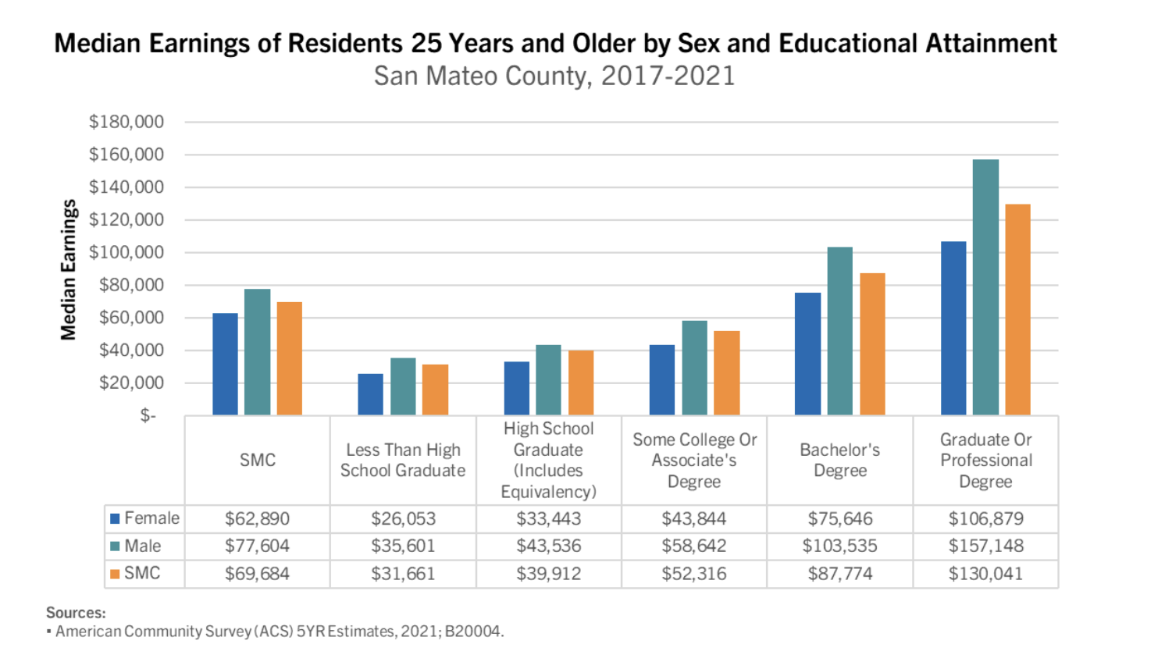
https://docs.google.com/document/d/11QtkykS6kYcKC1MsTnzyZWJ_67oINpuU/edit | Data provided by SMC Health Depart Policy and Planning
https://docs.google.com/spreadsheets/d/145gvQYpUHQh-m5vXQdgOBuynSZDzT_XCVBsDAkTn_3s/edit#gid=0 | SMC Women Owned Businesses
The Opportunity Atlas | The Average Annual Individual Income at Age 35 (excluding spouse) in 2014-15 for people who grew up San Mateo County is $39,000 for men and $36,000 for women.

Additional Resources from the state: | https://women.ca.gov/equalpayca/
 | https://nwlc.org/wp-content/uploads/2023/01/2022-Wage-Gap-Factsheet-1.10.23.pdf
 | https://nwlc.org/issue/equal-pay-and-the-wage-gap/
 | https://www.payscale.com/research-and-insights/gender-pay-gap/#:~:text=In%202022%2C%20the%20uncontrolled%20gender,the%20same%20as%20last%20year.
 | https://women.ca.gov/wp-content/uploads/sites/96/2020/07/English-Version.pdf
 | https://leanin.org/research/covid-19
 | https://leanin.org/article/womens-workload-and-burnout
 | https://leanin.org/article/the-coronavirus-is-a-financial-crisis-for-women
"Women are most affected because they were in a worse financial position than men long before this pandemic occurred. On average, women are paid 18% less than men in the U.S. They have 30% less money in savings. Two-thirds of minimum wage workers are women."

Jan 2024 data on how women are doing in Bay Area. | January 29, 2024: Women and Women-headed Households in the Bay Area Continue to Experience the Lingering Effects of the Pandemic
They are falling further behind men particularly women led houeholds

Udated-2023 SMC stats-UWBA Real Cost Measure Shows individuals and families struggling to make ends meet | https://uwba.org/real-cost-measure/

California will add financial literacy to high school requirement | https://www.gov.ca.gov/2024/06/27/california-to-add-financial-literacy-as-a-requirement-to-graduate-high-school/#:~:text=The%20legislation%20will%20require%20a,the%202030-31%20graduating%20class.

SMC 2024 Legislative Program | https://www.smcgov.org/media/148951/download?inline=

Asset Funders Network Research | https://assetfunders.org/wp-content/uploads/AFN_Leveraging_CDFIs.pdf

